Standardized Salinity
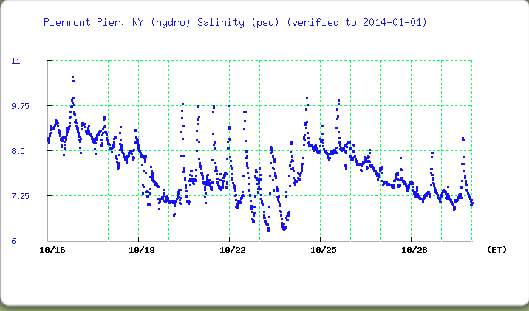
Sample Dates | RM | NAME | Have sample | Salinity times | Standardized Salinity ppm TS | Standardized Salinity ppm -Cl- | notes for Standardized Salinity -
2014-10-16 | Mowhawk Rv.** | Schoharie | X | 13:16:00 | BD | BD | 0.6 LR | X
2014-10-16 | RM 152 | Watervleit | X | 12:00:00 | 54 | 30 | 1.2 LR | X
2014-10-16 | RM 145 | Corning Preserve | X | 9:15:00 | 65 | 36 | 1.4 LR | X
2014-10-16 | RM 127 | Stuyvesant | X | NR | 65 | 36 | 1.4 LR | X
2014-10-16 | RM 118 | Hudson | X | 13:00:00 | 65 | 36 | 1.4 LR | X
2014-10-16 | RM 108 | Germantown | X | 11:05:00 | 65 | 36 | 1.4 LR | X
2014-10-16 | Rm 98 | Saugerties | X | NR | 70 | 39 | 1.4 LR
2014-10-20 | RM 92 Nobels | Kingston | X | 11:15:00 | 65 | 36 | 1.4 LR | X
 | RM 92 | Kingston Pt. Beach | X | 11:45:00 | 65 | 36 | 1.4 LR | X
2014-10-16 | RM 90 RV | Port Ewen | X | 11:15:00 | 78 | 43 | 1.6 LR | X
2014-10-29 | RM 61E L.D. | Long Dock | X - rain 2 same | 10:14:00 | 135 | 75 | 2.4 LR | X
2014-10-16 | RM 60 PM | Dennings Pt. | X | 10:00:00 | 1438 | 796 | 4.4 HR | ???
2014-10-23 | RM 58b OCC | Kowawese | X | 9:15:00 | 233 | 129 | 3.4 LR | X
2014-10-17 | RM 53 | Garrison | X | 10:55:00 | 425 | 235 | 4.8 HR | X
2014-10-16 | RM 52.5 | West Point | X 95 ft | 10:00:00 | 2092 | 1158 | 5.0 HR | X
2014-10-16 | RM 41 | Verplanck | X 60 ft | 11:30:00 | 4305 | 2383 | 6.8 HR | X
2014-10-17 | RM 35 E Sen | George's Is | X | 11:00:00 | 7392 | 4092 | 8.0 HR | X
2015-10-21 | RM 35 E | Croton - Mother's Lap | X | 10:15:00 | 4305 | 2383 | 6.8 HR | ???
2014-10-21 | RM35E BOCES | Croton/Senequa | X | 12:20:00 | 4305 | 2383 | 6.8 HR | X
2014-10-23 | RM 25 E MS & HS | Irvington | X | 10:30:00 | 9094 | 5034 | 8.4 HR | X
2014-10-21 | RM 25W | Piermont | X | 10:00:00 | 6708 | 3713 | 7.8 LR | X
2014-10-21 | RM 23 | Hastings | X | 12:00:00 | 10169 | 5629 | 8.6 HR | X
2014-10-29 | RM 18.5 BB | Alpine | X | 9:52:00 | 7392 | 4092 | 8.0 HR | X

